Aquascutum London
Aquascutum London
Light jackets.

Images | Ref | Description | Color | # Units | Retail | Total | S | M | L | XL | 2XL | # in Box | # of Boxes
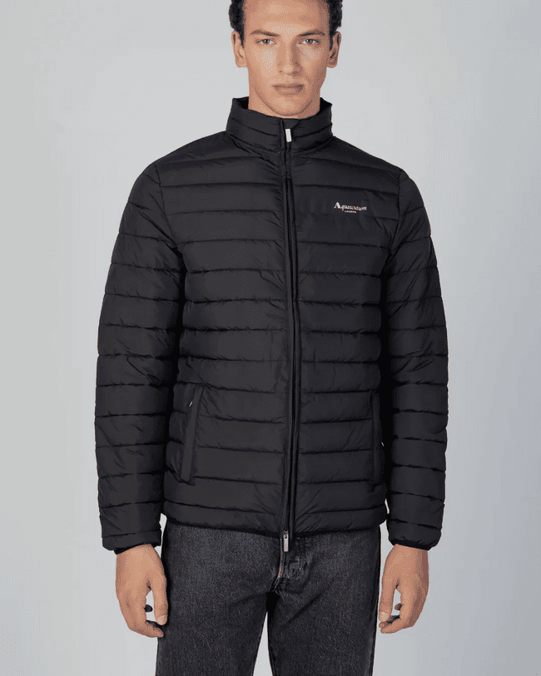 | AA_FW22_JK003 | Active Jacket | 16 - Black | 3,696 | 180.00 € | 665,280.00 € | 1 | 2 | 2 | 2 | 1 | 8 | 462
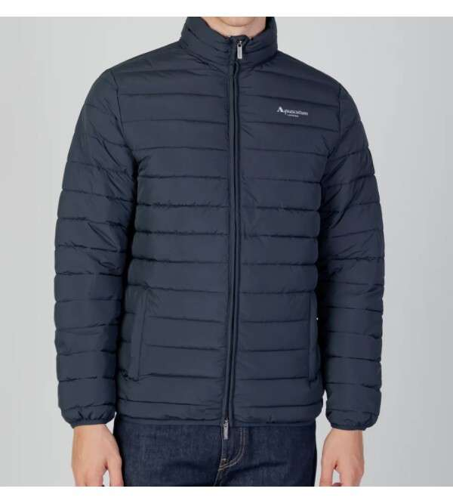 | AA_FW22_JK004 | Active Jacket | 11 - Navy | 3,664 | 180.00 € | 659,520.00 € | 1 | 2 | 2 | 2 | 1 | 8 | 458
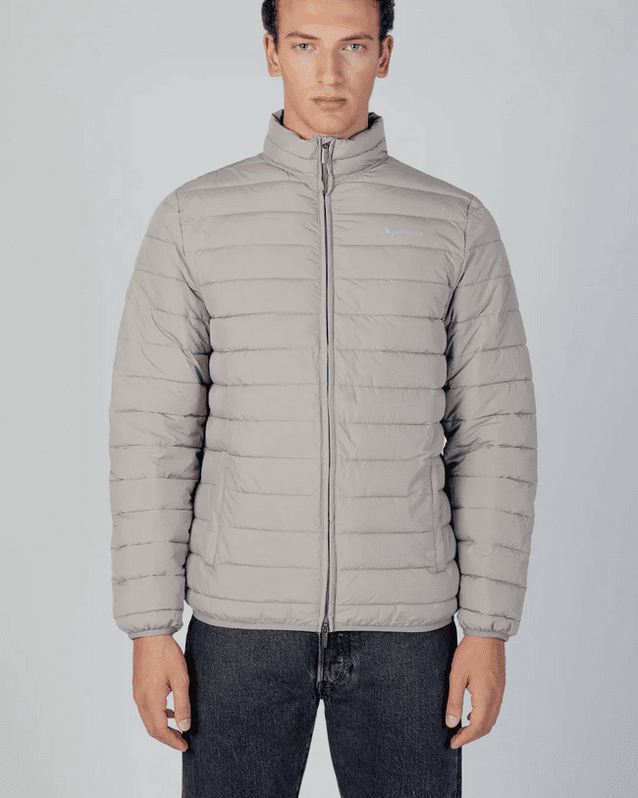 | AA_FW22_JK005 | Active Jacket | 04 - Grey | 944 | 180.00 € | 169,920.00 € | 1 | 2 | 2 | 2 | 1 | 8 | 118
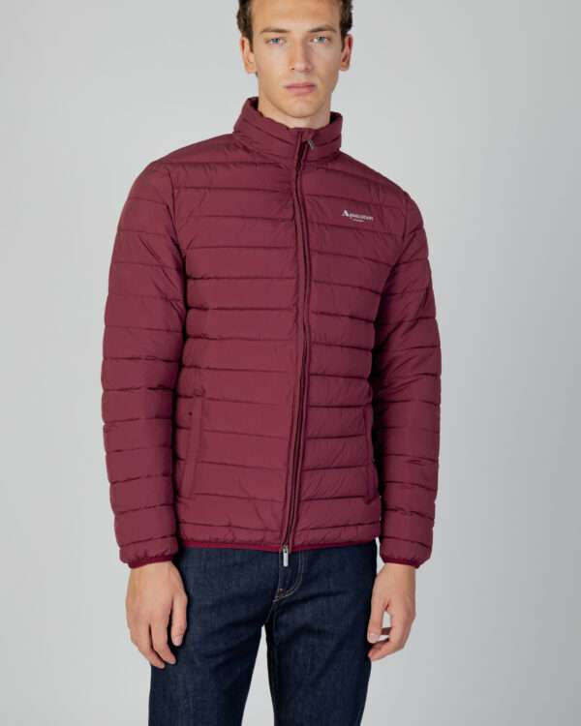 | AA_FW22_JK006 | Active Jacket | 14 - Bordeaux | 944 | 180.00 € | 169,920.00 € | 1 | 2 | 2 | 2 | 1 | 8 | 118
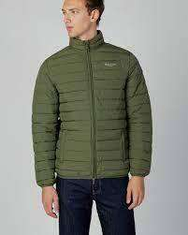 | AA_FW22_JK007 | Active Jacket | 06 - Army Green | 944 | 180.00 € | 169,920.00 € | 1 | 2 | 2 | 2 | 1 | 8 | 118
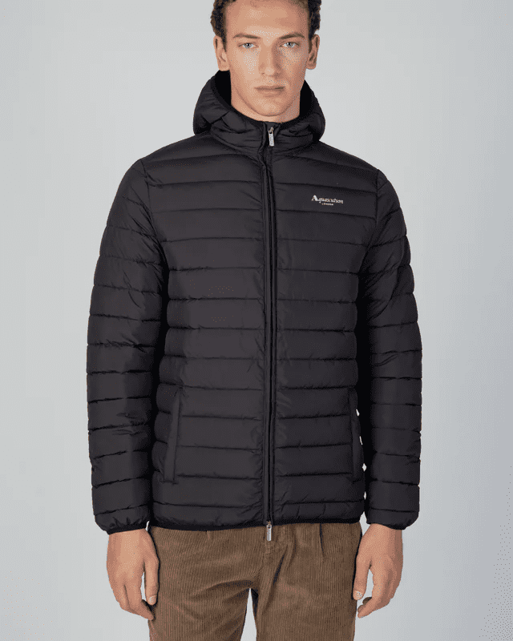 | AA_FW22_JK004 | Active Hoodie Jacket | 16 - Black | 3,680 | 180.00 € | 662,400.00 € | 1 | 2 | 2 | 2 | 1 | 8 | 460
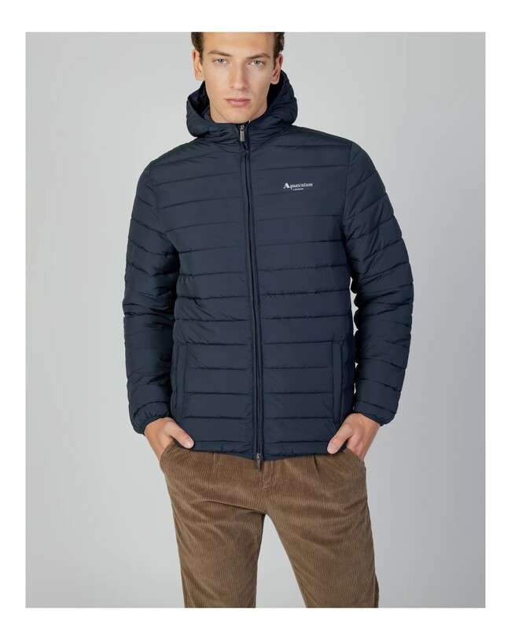 | AA_FW22_JK005 | Active Hoodie Jacket | 11 - Navy | 3,608 | 180.00 € | 649,440.00 € | 1 | 2 | 2 | 2 | 1 | 8 | 451
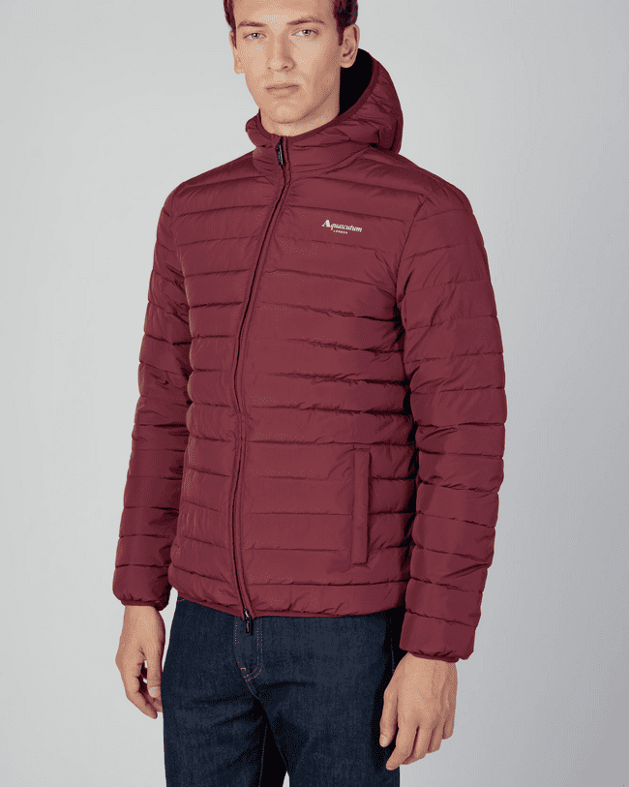 | AA_FW22_JK006 | Active Hoodie Jacket | 14 - Bordeaux | 944 | 180.00 € | 169,920.00 € | 1 | 2 | 2 | 2 | 1 | 8 | 118
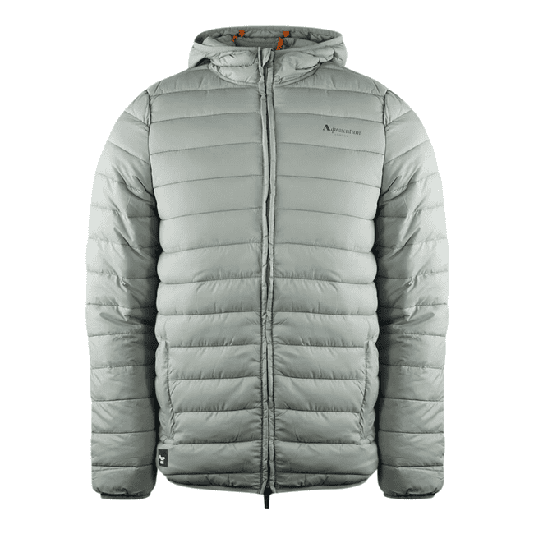 | AA_FW22_JK007 | Active Hoodie Jacket | 04 - Grey | 880 | 180.00 € | 158,400.00 € | 1 | 2 | 2 | 2 | 1 | 8 | 110
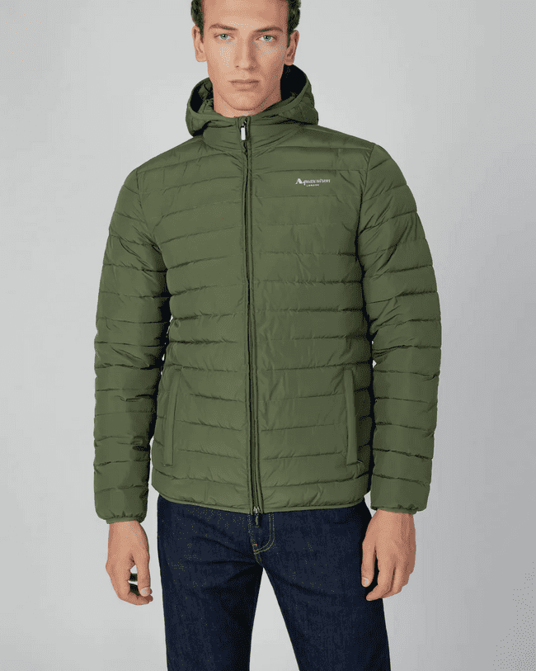 | AA_FW22_JK008 | Active Hoodie Jacket | 06 - Army Green | 856 | 180.00 € | 154,080.00 € | 1 | 2 | 2 | 2 | 1 | 8 | 107
Total Aquascutum |  |  |  | 20,160 | 180.00 € | 3,628,800.00 € |  |  |  |  |  |  | 2,520

